1. Title Page

Instacart Basket Analysis

Project Name: Instacart Basket Analysis
Date: 02/16/2024
Analyst Name: Greta Lawani

Contents | Tab
Population Flow | Page 2
Consistency checks | Page 3
Wrangling steps | Page 4
Column derivations | Page 5
Visualizations | Page 6
Recommendations | Page 7

Name | Comments | Link | Alt Link | Date
“The Instacart Online Grocery Shopping Dataset 2017”, Accessed from https://www.kaggle.com/c/instacart-market-basket-analysis/data | Additional notes: Please find the data dictionary here | https://www.kaggle.com/c/instacart-market-basket-analysis/data | https://mdporter.github.io/DS6030/other/instacart.html | 2024-02-16
CareerFoundry Data Set, Accessed from https://s3.amazonaws.com/coach-courses-us/public/courses/data-immersion/A4/A4_Data_Assets/customers.zip | Additional notes: Customer data explored in Exercises 4.9 and 4.10, as well as the 'prices' and 'products' column were both fabricated for the purpose of this course. This analysis was conducted for learning purposes of the Career Foundry course and not for a real client. | https://s3.amazonaws.com/coach-courses-us/public/courses/data-immersion/A4/A4_Data_Assets/customers.zip |  | 2024-02-16
List of Regions of the United States via Wikipedia | Article used to help group US States by Region | https://simple.wikipedia.org/wiki/List_of_regions_of_the_United_States

2. Population Flow
Title page

Population flow

Exclusion flag
Condition: max_order < 5
Obervations to be removed: 1.440.295
Final total count of order_products_all:
Rows: 30.964.564
Columns: 35

Orders_products_combined
Orders_products_merged
Orders_products_all

Rows: 32.640.698
Columns: 12
Rows: 32.404.859
Columns: 14
Rows: 30.964.564
Columns: 33

1.) The grey boxes in the first row of the population flow represent the original data sets as they were when you downloaded them. In the Total fields you need to add the count of the rows when you imported the data set into Jupyter.
2.) The second row of boxes (coloured) represents the data sets after you manipulated them, e.g., removed missing values and duplicates. In the Total fields you need to add the count of the rows after conducting these operations. This offers a visual oveview of how the data flows throughout the data consistency checks.
3.) The third row, where also the arrows are coloured, represents the merges you performed between the datasets. In the Total fields you need to add the count of the rows in the merged datasets, so that you end up with the final dataset (in the red box). Keep in mind the final dataset should be without exclusions (based on the exclusion flag).

3. Consistency checks
 |  |  |  |  | Title page

Consistency checks

Dataset | Missing values | Column | Missing values treatment | Duplicates
orders | 206.209 NaN in column 'days_since_prior_order' | days_since_prior_order | Left all as they were. They represent first order of a new costumer | None
products | 16 in column 'product_name' | product_name | Removed | 5 duplicates removed
orders_products_prior | None | N/A | N/A | None
customers | 11.259 NaN in column 'first_name' | first_name | Untouched (column is dropped at a later stage for PII reasons) | None
orders_products_all | 4.877 NaN values | prices | Mixed value column with 'object' type to 'string' type | None

4. Wrangling steps
 |  |  |  |  | Title page

Wrangling steps

Data set | Columns dropped | Columns renamed | Columns' type changed | Comment/Reason
orders | eval_set |  |  | No use for the analysis
orders |  | order_dow |  | Changed to 'orders_day_of_week'
orders |  |  | order_id | integer to string type
orders |  |  | user_id | integer to string type
orders_products_combined | _merge |  |  | This was a merge flag created with "indicator = True: no longer needed
ords_prods_aggregated | _merge |  |  | This was a merge flag created with "indicator = True: no longer needed
products | Unnamed: 0 |  |  | No use for the analysis
orders_products_combined | Unnamed: 0 |  |  | No use for the analysis
orders_products_combined | Unnamed: 1 |  |  | No use for the analysis
orders_products_combined | eval_set |  |  | No use for the analysis
orders_products_combined |  | order_dow |  | Changed to 'orders_day_of_week'
orders_products_combined |  | order_number |  | Changed to 'number_of_orders''
customers |  | First Name |  | Changed to first_name
customers |  | Surnam |  | Changed to last_name
customers |  | Gender |  | Changed to gender
customers |  | STATE |  | Changed to state
customers |  | Age |  | Changed to age
customers |  | n_dependants |  | Changed to dependants for clarification
customers | date_joined |  |  | No use for the analysis
ords_prods_cx_merge | first_name |  |  | Column contained personally identifiable information (PII)
ords_prods_cx_merge | last_name |  |  | Column contained personally identifiable information (PII)
normal_activity |  |  | orders_day_of_week | Data type changed from int64 to int8
normal_activity |  |  | order_hour_of_day | Data type changed from int64 to int8
normal_activity |  |  | reordered | Data type changed from int64 to int8
normal_activity |  |  | department_id | Data type changed from int64 to int8
normal_activity |  |  | order_number | Data type changed from int64 to int16
normal_activity |  |  | add_to_cart_order | Data type changed from int64 to int16
normal_activity |  |  | aisle_id | Data type changed from int64 to int16
normal_activity |  |  | max_order | Data type changed from int64 to int16
normal_activity |  |  | order_id | Data type changed from int64 to int32
normal_activity |  |  | product_id | Data type changed from int64 to int32
normal_activity |  |  | days_since_prior_order | Data type changed from float64 to float32
normal_activity |  |  | prices | Data type changed from float64 to float32
normal_activity |  |  | average_spend | Data type changed from float64 to float32
normal_activity |  |  | customer_frequency | Data type changed from float64 to float32
final_merge | add_to_cart_order |  |  | Unnecessary for further analysis
final_merge | reordered |  |  | Unnecessary for further analysis
final_merge | aisle_id |  |  | Unnecessary for further analysis
final_merge | department_id |  |  | No longer needed after column 'department' was created

5. Column derivations
 |  |  |  |  | Title page

Column derivations and aggregations

Dataset | New column | Column/s it was derived from | Conditions | Frequency
orders_products_merged | price_range | prices | High-range product: prices > 15 Mid-range product: prices > 5 & prices <=15 Low-range product: prices <=5 | Mid-range product 21860860 Low-range product 10126321 High-range product 417678
orders_products_merged | busiest_day | orders_day_of_week | Busiest day: orders_day_of_week = 0 Least busy: orders_day_of_week = 4 Regularly busy: orders_day_of_week = all other values | Regularly busy 22416875 Busiest day 6204182 Least busy 3783802
orders_products_merged | busiest_days | orders_day_of_week | Busiest days: orders_day_of_week = 0 or 1 Least busy days: orders_day_of_week = 4 or 3 Regularly busy: orders_day_of_week = all other values | Regularly busy 12916111 Busiest days 11864412 Least busy days 7624336
orders_products_merged | busiest_period_of_day | order_hour_of_day | Most orders: value == 10, 11, 14, 15, 13, 12, 16 or 9 Fewest orders: value ==23, 6, 0, 1, 5, 2, 4 or 3 Average orders: order_hour_of_day = all other values | Most orders 21118071 Average orders 9997651 Fewest orders 1289137
ords_prods_merge | max_order | user_id number_of_orders | Maximum number of order for each user | Maximum number of order for each user
ords_prods_merge | loyalty_flag | max_order | Loyal customer: max_order > 40 Regular customer: max_order <= 40 & max_order >10 New customer: max_order <=10 | Regular customer 15876776 Loyal customer 10284093 New customer 6243990
ords_prods_merge | average_spend | user_id prices | Mean price of all purchased items for each user | Mean price of all purchased items for each user
ords_prods_merge | spender_flag | average_spend | High spender: average_spend >= 10 Low spender: average_spend < 10 | low_spender 31770614 high_spender 634245
ords_prods_merge | customer_frequency | user_id days_since_prior_order | Median of days between 2 consecutive orders for each user. | Median of days between 2 consecutive orders for each user.
ords_prods_merge | frequency_flag | customer_frequency | Non-frequent customer: customer_frequency > 20 Regular customer: customer_frequency <= 20 & customer_frequency >10 Frequent customer: customer_frequency <= 10 | frequent_customer 21204476 regular_customer 6865113 non_frequent_customer 2894975
ords_prods_cx_merge | region | state | Northeast = if state is from list of states 'Northeast' Midwest = if state is from list of states 'Midwest' South = if state is from list of states 'South' West = if state is from list of states 'West' | South 10791885 West 8292913 Midwest 7597325 Northeast 5722736
ords_prods_cx_merge | activity_flag | max_order | normal_activity: max_order <= 5 low_activity: max_order >= 5 | normal_activity 30964564 low_activity 1440295
normal_activity | age_group | age | 18-29 years old: >= 18 & <= 29 30-44 years old: >= 30 & <= 44 45-59 years old: >= 45 & <= 59 60-81 years old: >= 60& <= 81 | 60-81 years old 10574504 45-59 years old 7311091 30-44 years old 7261366 18-29 years old 5817603
normal_activity | income_group | income | lower income: < 50000 middle income >= 50000 & < 100000 high income >= 100000 | high income 14207402 middle income 13394608 lower income 3362554
normal_activity | dependants_group | dependants | no dependants <= 0 has dependants > 0 | has dependants 23224883 no dependants 7739681
normal_activity | profile_1 | age_group | single young adult w/o dependants: 18-29 years old, single, divorced/widowed, no dependants single adult w/o dependants: 30-44 years old, 45-59 years old, single, divorced/widowed, no dependants, single adult w/o dependants single older adult w/o dependants: 60-81 years old, single, divorced/widowed, no dependants single young adult with dependants: 18-29 years old, living with parents and siblings, has dependants single adult with dependants: 30-44 years old, 45-59 years old, living with parents and siblings, has dependants single older adult with dependants: 60-81 years old, living with parents and siblings, has dependants married young adult with dependants: 18-29 years old, married, has dependants married adult with dependants: 30-44 years old, 45-59 years old, married, has dependants married older adult with dependants: 60-81 years old, married, has dependants | married adult with dependants 10925665 married older adult with dependants 7929233 single adult w/o dependants 3646792 married young adult with dependants 2888813 single older adult w/o dependants 2645271 single young adult with dependants 1481172 single young adult w/o dependants 1447618
normal_activity | profile_2 | age_group fam_status income_group dependants_group | low income single young adult w/o dependants: 18-29 years old, single, divorced/widowed, lower income, no dependants low income single adult w/o dependants: 30-44 years old, 45-59 years old, single, divorced/widowed, lower income, no dependants low income single older adult w/o dependants: 60-81 years old, single, divorced/widowed, lower income, no dependants low income single young adult with dependants: 18-29 years old, living with parents and siblings, lower income, has dependants low income single adult with dependants: 30-44 years old, 45-59 years old, living with parents and siblings, lower income, has dependants low income single older adult with dependants: 60-81 years old, living with parents and siblings, lower income, has dependants low income married young adult with dependants: 18-29 years old, married, lower income, has dependants low income married adult with dependants: 30-44 years old, 45-59 years old, married, lower income, has dependants low income married older adult with dependants: 60-81 years old, married, lower income, has dependants mid income single young adult w/o dependants: 18-29 years old single, divorced/widowed, middle income, no dependants mid income single adult w/o dependants: 30-44 years old, 45-59 years old, single, divorced/widowed, middle income, no dependants mid income single older adult w/o dependants: 60-81 years old, single, divorced/widowed, ‘middle income, no dependants mid income single young adult with dependants: 18-29 years old, living with parents and siblings, middle income, has dependants mid income single adult with dependants: 30-44 years old, 45-59 years old, living with parents and siblings, middle income, has dependants mid income single older adult with dependants: 60-81 years old, living with parents and siblings, middle income, has dependants mid income married young adult with dependants: 18-29 years old, married, middle income, has dependants mid income married adult with dependants: 30-4 | high income married older adult with dependants 5549516 high income married adult with dependants 4952600 mid income married adult with dependants 4781135 mid income married young adult with dependants 2359119 high income single older adult w/o dependants 1846202 mid income married older adult with dependants 1717467 high income single adult w/o dependants 1673864 mid income single adult w/o dependants 1574671 mid income single young adult with dependants 1213082 low income married adult with dependants 1191930 mid income single young adult w/o dependants 1160775 low income married older adult with dependants 662250 mid income single older adult w/o dependants 588359 low income married young adult with dependants 440912 low income single adult w/o dependants 398257 low income single young adult w/o dependants 237953 low income single young adult with dependants 220542 low income single older adult w/o dependants 210710 high income married young adult with dependants 88782 high income single young adult w/o dependants 48890 high income single young adult with dependants 47548
final_merge | price_range | prices | high price item: prices >= 15 mid price item: prices >= 5 & prices <=15 low price item: prices <=5 | mid price item 20896648 low price item 9674840 high price item 393076
final_merge | loyalty_flag | max_order | Loyal customer: max_order > 40 Regular customer: max_order <= 40 & max_order >10 New customer: max_order <=10 | Regular customer 15876776 Loyal customer 10284093 New customer 4803695
final_merge | frequency_flag | customer_frequency | Non-frequent customer: customer_frequency > 20 Regular customer: customer_frequency <= 20 & customer_frequency >10 Frequent customer: customer_frequency <= 10 | frequent_customer 21204476 regular_customer 6865113 non_frequent_customer 2894975
final_merge | region | state | Northeast = if state is from list of states 'Northeast' Midwest = if state is from list of states 'Midwest' South = if state is from list of states 'South' West = if state is from list of states 'West' | South 10311139 West 7927227 Midwest 7261513 Northeast 5464685

6. Visualizations
 |  | Title page

Visualisations

In this tab you should include all the visualtions from Exercises 4.9 and 4.10, alongside the questions from the project brief that they answer. Include any commentary on the relationship between different variables.

Comment | Key Question 1 Visuals
‘Order Placement During the Week’ The weekends, specifically Saturdays and Sundays, exhibit the highest occurrence of placed orders, while the mid-week days, Tuesday and Wednesday, display the lowest frequency of orders. ‘Order Placement during the Day’ Orders are most frequently placed during the hours of 10am to 4pm. In contrast, there is a lower frequency of orders during the hours of midnight to 6am. | 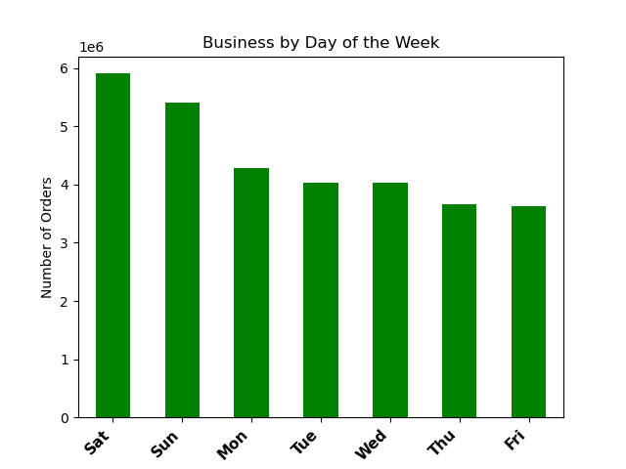 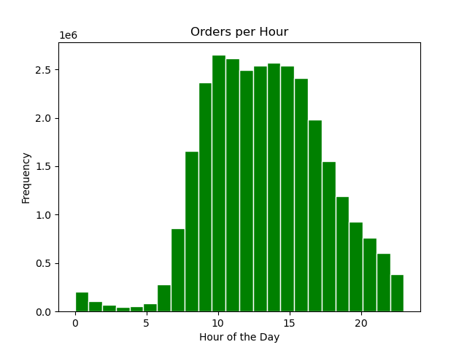
Comment | Key Question 2 Visuals
'‘Expenditures Over the Week’ The line chart illustrates that, on average, sales are lowest during the mid-week compared to purchases made on the weekends. ‘Expenditures Over the Day’ The line chart displays fluctuations in ordering patterns, with a noticeable dip in average expenditures observed around 2am and 10am. Conversely, the hours from 3 AM to 7am exhibit the highest average purchases throughout the day. | 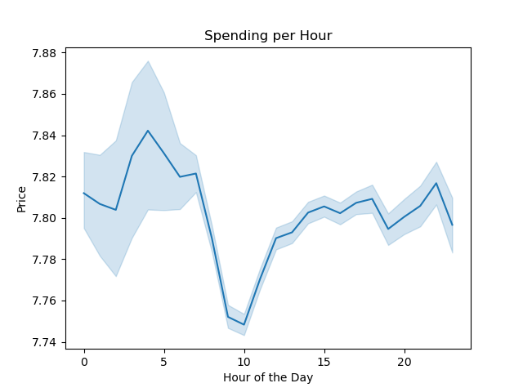 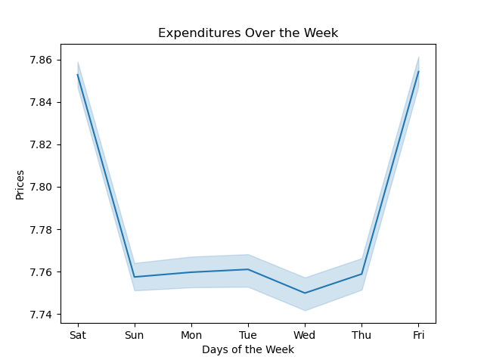
Comment | Key Question 3 Visuals
‘Average Pricing Frequency’ The histogram categorizes Instacart purchases based on their price: the majority of items bought fall within the range of under $15. | 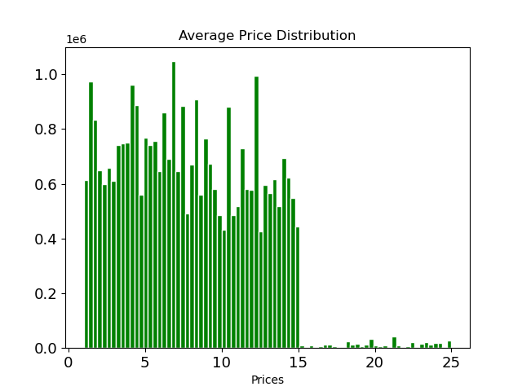
Comment | Key Question 4 Visuals
‘Top 10 most Popular Products in Produce’ Counts the total purchases of each product in the ‘produce’ selection from the ‘department’ column and is limited to the top 10 most frequently ordered items. ‘Department by Age Group’ Shows the total purchases of each department by age group: the most prevalent age group are customers between 60 and 81 years old who order in the produce, dairy eggs, and snacks department. ‘Age vs. Dependants’ Line chart shows no connection between age and the number of dependants. | 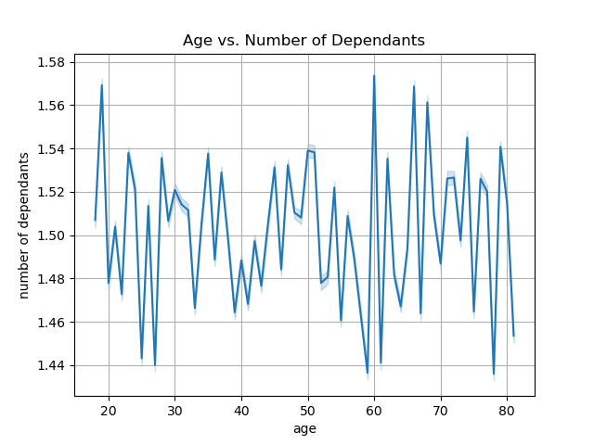 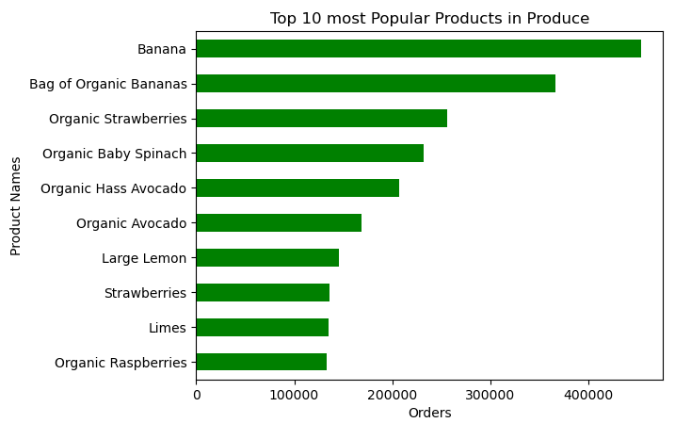 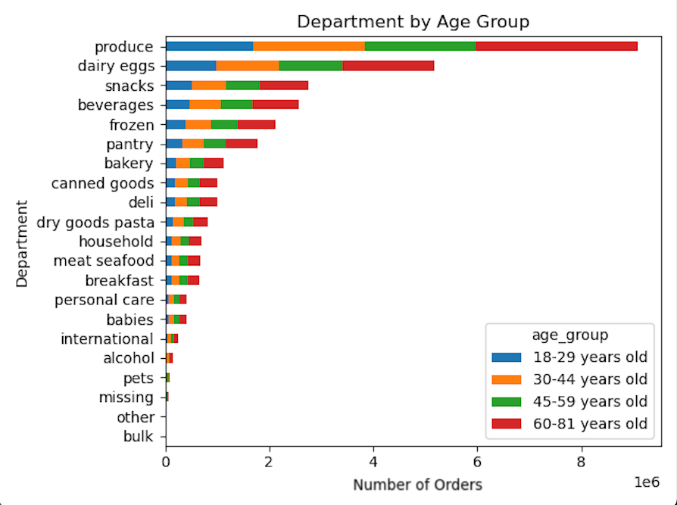
‘Purchases by Department’ Counts the total purchases of each department. | 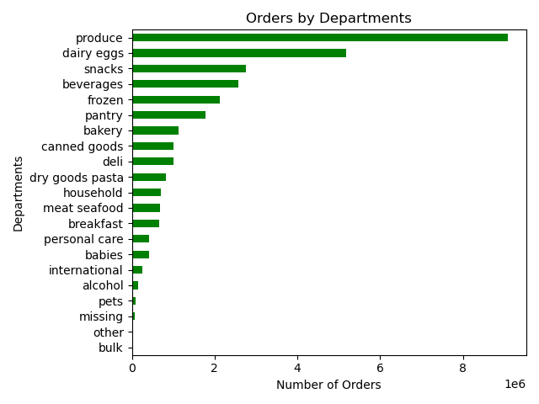
Comment | Key Question 5 Visuals
'‘Loyalty Distribution’ Depicts the order frequency and how often each user group contributes to order placement. Instacart has more regular customer which means customer place between 11 to 40 orders. ‘Loyalty by Price Range’ Indicates that the regular customer is more likely to place orders with mid-price products, followed by the loyal customer customer. | 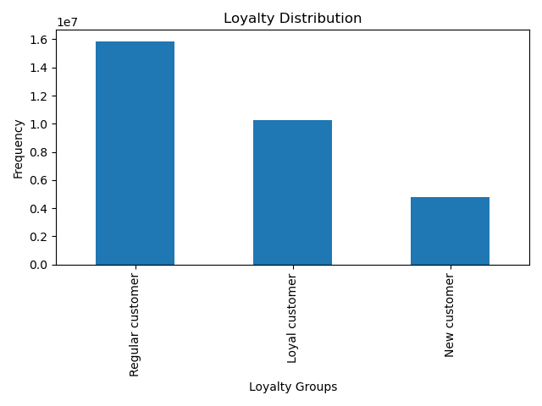 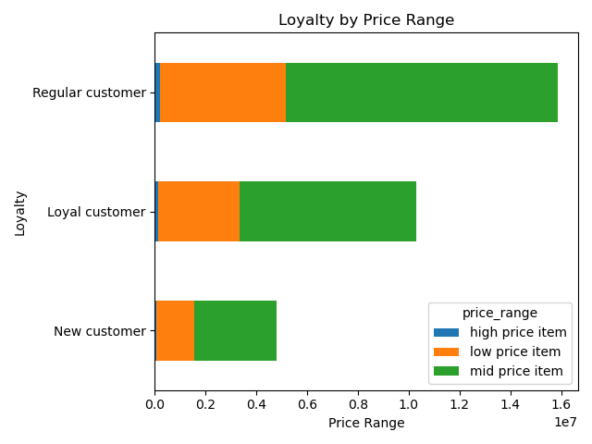
‘Loyalty by Region’ Most purchases are from the South, for the three groups, with the regular group the most profitable for Instacart. The majority of the customers are in the South region and fall under the regular customers range. The South region also has the most new customers. The Northeast has the least customers in all 3 loyalty groups. ‘Distribution of Price Ranges’ Most customers are purchasing mid-price items between $5 to $15. Based on the visualization, mid-price items are the most purchased by all 3 loyalty groups. | 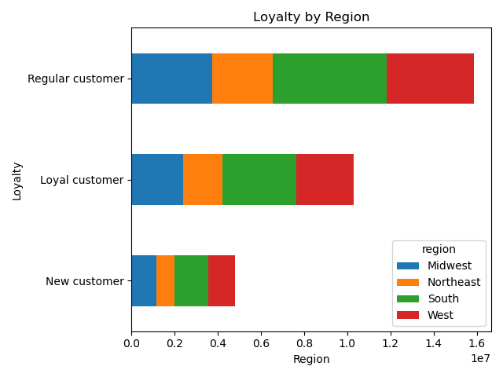 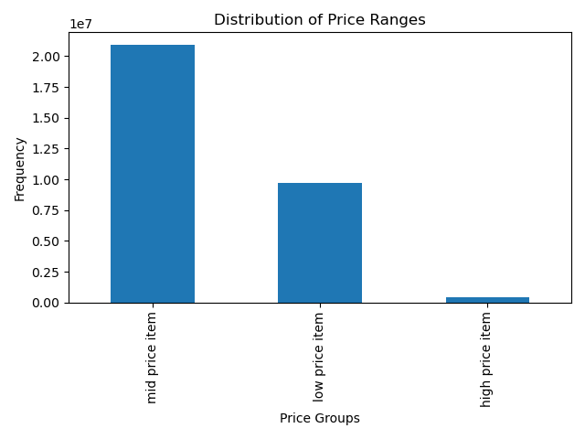 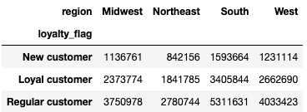
‘Department by Loyalty’ The regular and loyal customer are to be on the forefront strategy in terms or marketing and sales efforts for the produce, dairy eggs and snacks departments. ‘Department by Marital Status’ Married couples are the main consumers group, followed by singles. | 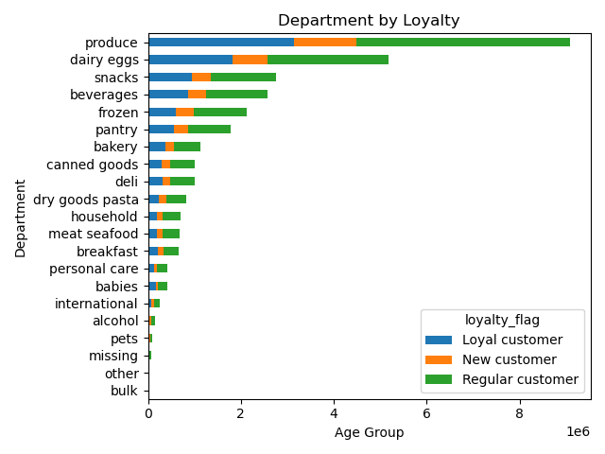 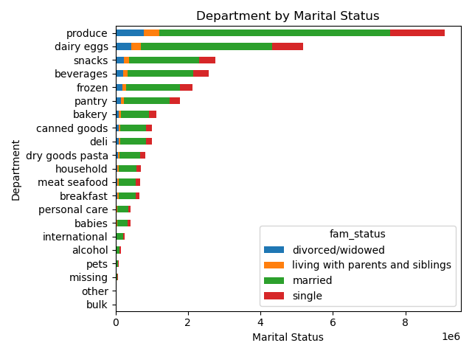
‘Expenditures by Loyalty, Age and Marital Status’ and ‘Department Order Frequency’ Connection between the age group and the family status in terms of purchase. The first group is of married couples over 60 years old, followed by younger married couples descending between 18 and 59 years old. | 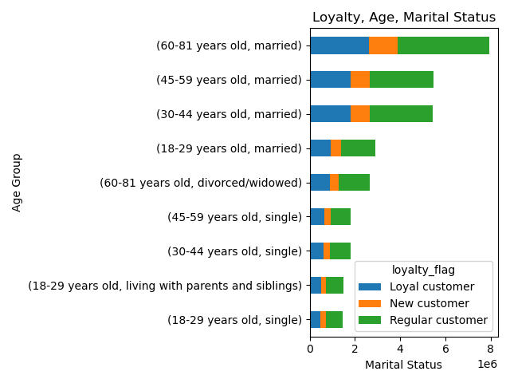

Comment | Key Question 6 Visuals
User Profiles | Users By Income
Users by Income ‘Age vs. Income (Spending Power)’ This scatterplot shows there is a rise in income after the age of 40. ‘Departments by Income’ The same pattern shows produce, dairy eggs, snacks and beverages the top products by income. This visualization shows that middle-income customers order the most and they prefer items in the produce, dairy eggs, and snacks department. ‘Customer Profile 1 by Region’ Trends mirror that of the general IC user population. The difference is the frequency of orders place showing that less orders are placed on average by the lowest_income users. ‘Profile by Income’ Highest income users are more likely to see variability in the early AM with peak ordering hours at 4am, while the lowest income users see a dip in orders at 3pm and similar peak around 4pm. Lower income users also see a dip around the hour of 10am. | 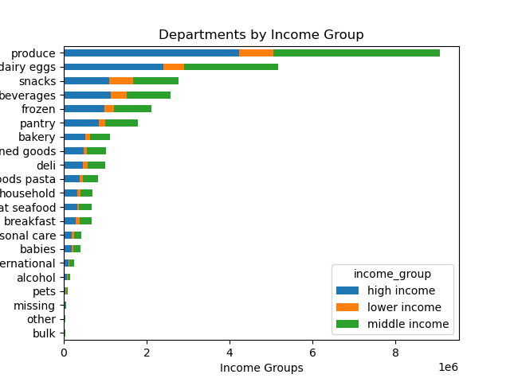 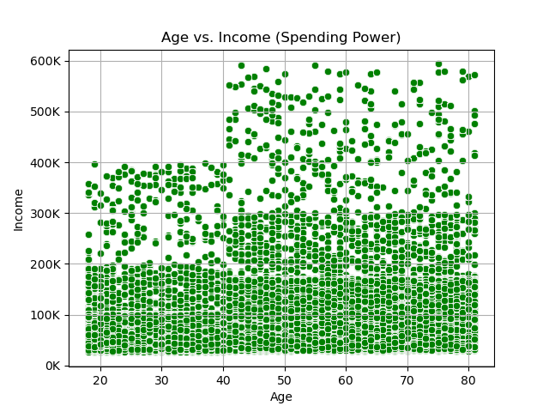
 | 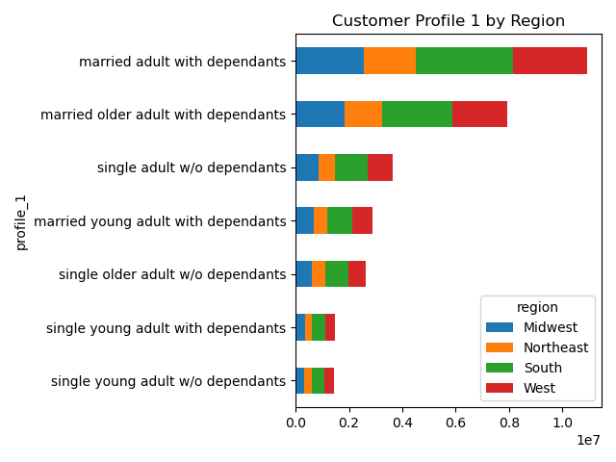 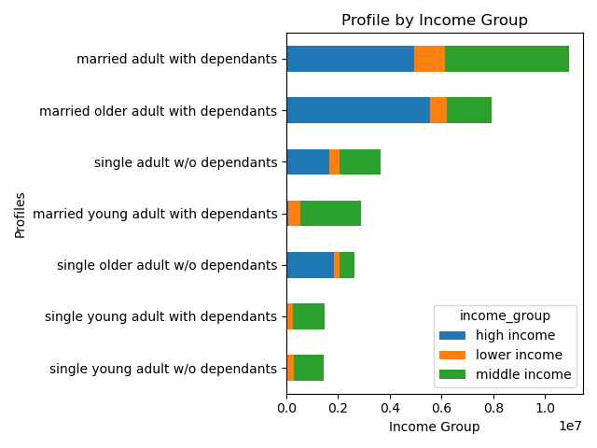
‘Departments by Customer Profile 1’ When combining marital status, age, and dependants, it was found that those customers in the single young adults with dependants order the most. This group prefers items in the produce, dairy eggs, and snacks department. ‘Customer Profile 1 by Department’ and ‘Customer Profile 2 by Department’ The two "Customer Profile by Department" graphs, snacks, produce, and pets are the top departments even after adding the income range to the customer profile (second graph below Profile 1) | 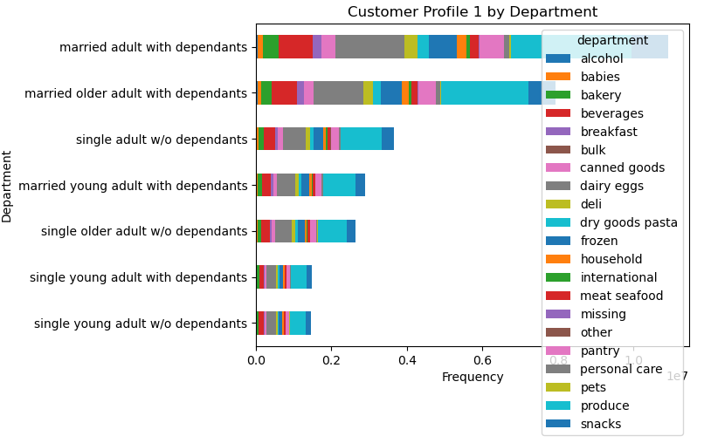 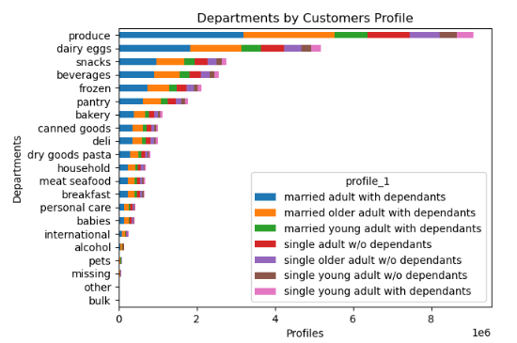
‘Customer Profile 2 by Region’ Upon incorporating the income factor to analyze profiles by region, married adults or older individuals with dependents continue to have the highest order frequencies. However, the updated data now reveals that they belong to the high-income range. | 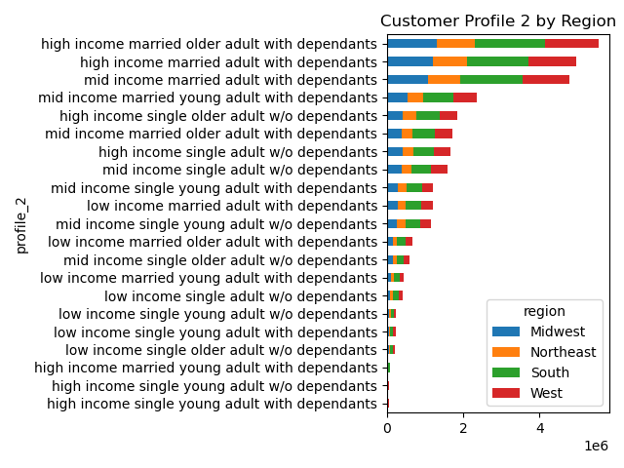 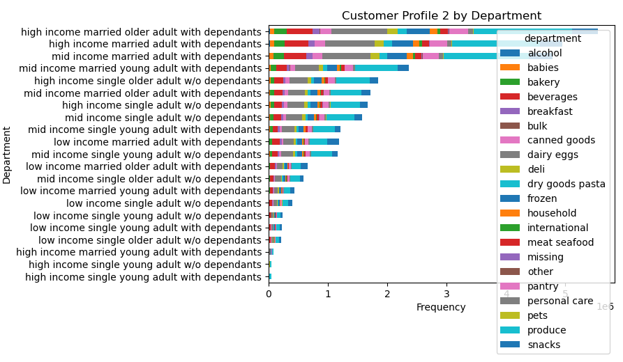
Comment | Key Question 7 Visuals
User Profiles | Users By Income
‘Profile by Frequency’ Customers with high income, who are either married adults or older adults with dependents, are categorized under the regular customer frequency flag. ‘Profile by Price Range’ Individuals with a high income who are married adults or older adults with dependants tend to favor items within the mid-range price range. | 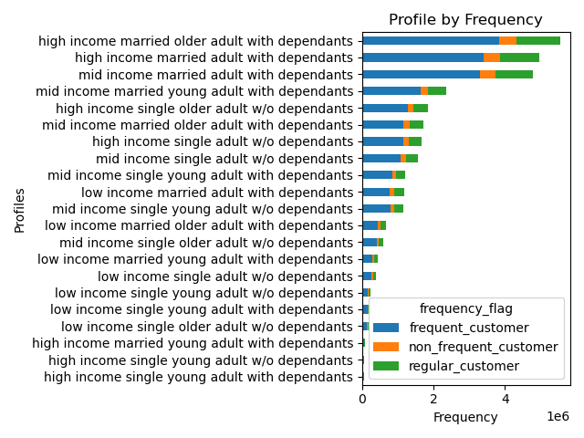 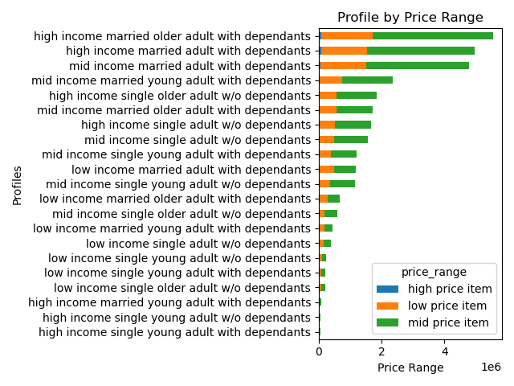

7. Recommendations
 |  |  | Title page

Recommendations

Number | Key Question | Recommendations
1 | The sales team needs to know what the busiest days of the week and hours of the day are (i.e., the days and times with the most orders) in order to schedule ads at times when there are fewer orders. | Instacart experiences its highest activity on Saturdays, closely followed by Sundays. The peak hours for order placements occur between 10am and 3pm. In contrast, the least busy days are Tuesday and Wednesday, with the quietest hours falling between midnight and 6am. Marketing is advised to target advertisements with the goal of promoting weekday shopping and stimulating a higher volume of orders during the early morning hours, specifically between midnight and 6 am. This approach is suggested to leverage the potential for increased sales during these time frames.
2 | What are the times of day when customers spend the most money? This information will be used for products advertistments. | In line with the first key question, consumer ordering habits regarding average spending align with weekend purchasing patterns, displaying a noticeable decline in mid-week purchases. Additionally, average spending exhibits variability throughout the day in contrast to the timing of order placements. Early morning hours indicate relatively higher average sales compared to mid-day sales, even though mid-day sales may involve more frequent order placements. Marketing is recommended to focus on targeted ads aimed at encouraging consumers to place orders during the early morning hours, considering the lower frequency of orders during this time and the higher trends in average sales.
3 | Instacart has a lot of products with different price tags. Marketing and sales want to use simpler price range groupings to help direct their efforts. | Considering the left-skewed distribution of pricing, predominantly at or below the $15 threshold, a suggested and simplified pricing range could be implemented using $5 increments, such as [$1-5, $6-10, $11-15, >$15]. This approach aims to enhance consumer comprehension and capitalize on the prevalent purchase patterns within the existing market range. It is advisable to designate items priced above $16 into a distinct category due to their less frequent purchase frequency.
4 | Are there certain types of products that are more popular than others? The marketing and sales teams want to know which departments have the highest frequency of product orders. | The two departments with the highest purchase frequency are the 'produce' department, followed by the 'dairy eggs' department. We observe a consistent trend across different age groups, and whether customers have dependents or not does not impact their ordering habits. Considering the Produce Department's popularity, we extracted the top 10 products. Bananas and bags of organic bananas rank as the most and second most frequently purchased items, respectively, among the Instacart consumer base
5 | What’s the distribution among users in regards to their brand loyalty (i.e., how often do they return to Instacart)? Are there differences in ordering habits based on a customer’s loyalty status? Are there differences in ordering habits based on a customer’s region? Is there a connection between age and family status in terms of ordering habits? | The 'loyalty_flag' was utilized to gather metrics on ' loyal customers'. Consumers with 40 orders or more are categorized as loyal customers. Those with less than 40 but more than 10 orders are labeled as regular customers, while customers with less than 10 orders are considered new customers. On average, consumers are more inclined to use Instacart during the morning hours and exhibit a higher frequency of sales during the mid-week. Targeting consumers who are new to Instacart and encouraging them to become regular users would support the initiative to increase sales during periods of low order frequency throughout the week and specific times of the day.
6 | The marketing and business strategy units at Instacart want to create more-relevant marketing strategies for different products and are, thus, curious about customer profiling in their database. User Profile Information - An analysis of consumer income, age groups, and family status. | The analysis of user demographics reveals several insights. There is clear uptick in income after the age of 40. Similarly, the departments data demonstrates that produce, dairy eggs, snacks, and beverages consistently emerge as top products, with middle-income customers exhibiting the highest order frequency and a preference for items in the produce, dairy eggs, and snacks departments. Trends align with the broader Instacart user population, but there's a distinction in the frequency of orders, with lower-income users placing fewer orders on average. Finally, we observed that the highest income users showcase variability in the early morning, peaking at 4 am. In contrast, the lowest income users experience a dip in orders at 3 pm, with a similar peak around 4 pm, and a decline around 10 am.
7 | Regional Area and Department Profile: - An analysis across user profiles in various U.S. regions and department good for both purchasing frequency and avg. purchasing metrics. | The sales data reveals that the South and West regions consistently exhibit the highest rates of orders and expenditures across all user profiles, while the Midwest and Northeast regions show comparatively lower sales. Marketing strategies should focus on targeting these regions to enhance consumer engagement and expand Instacart's user base. Notably, consumer ages exhibit significant variability in sales among profiles, suggesting that tailoring ads to specific age ranges may facilitate more precise targeting of Instacart consumers in different regions. Additionally, an interesting trend emerges among the lowest-income users who display a higher frequency of beverage and snack orders. This indicates a potential preference for enjoyment orders compared to higher and average income users who prioritize groceries. A targeted marketing campaign aimed at increasing lower-income users, specifically those inclined towards snack and beverage orders, could be considered to address this trend.

